Git Commands till Section 4
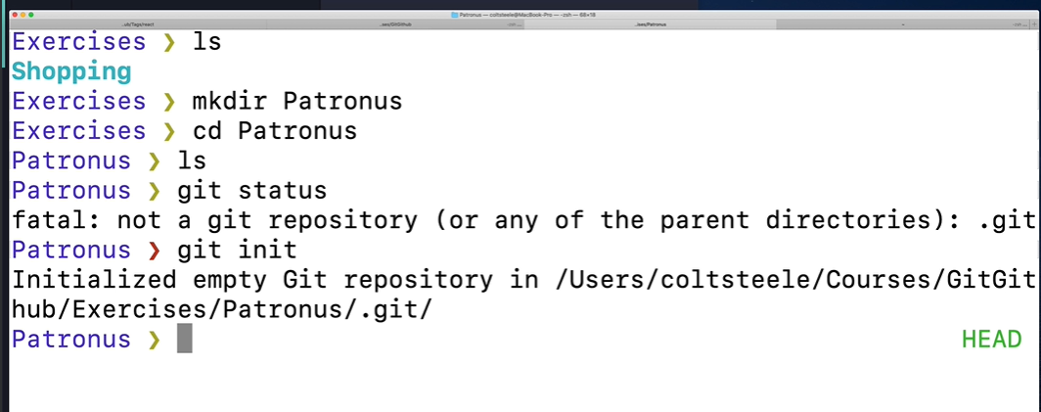
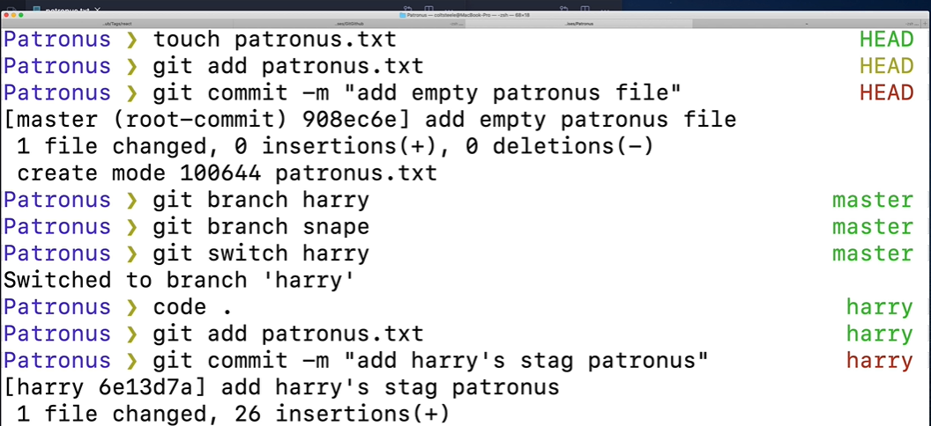
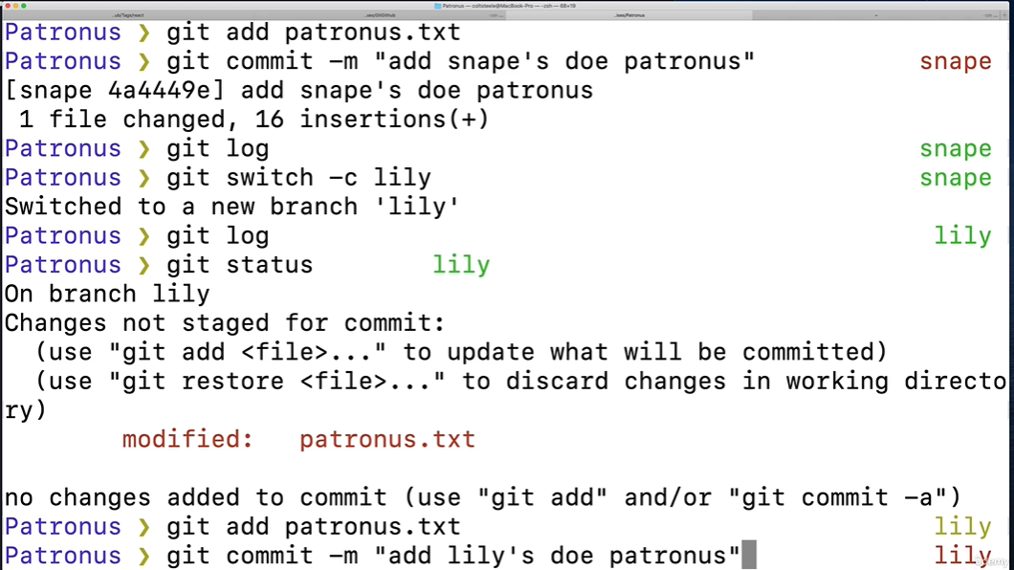
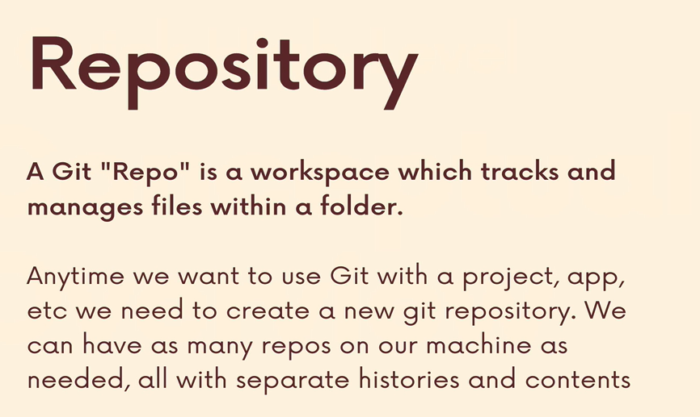
Commands | Use
git config --global user.name "Saranya Yadama" | To configure the name
git config user.name | To check the name
git config --global user.email "y.saranya.14@gmail.com" | To configure the email
git config user.email | To check the email
git --version | To check the version
git add file1 file2 | Add files to the staging area
git rm --cached file1 | To unstage file1
git commit | To actually commit the changes from staging area
git commit -m "my commit message"
git log | similar to git status - it provides information of log of commits for a given repo | https://www.git-scm.com/ | For documentation
git add . | To stage all changes at once
git commit -a -m "my commit message" | To stage all changes and commit at once

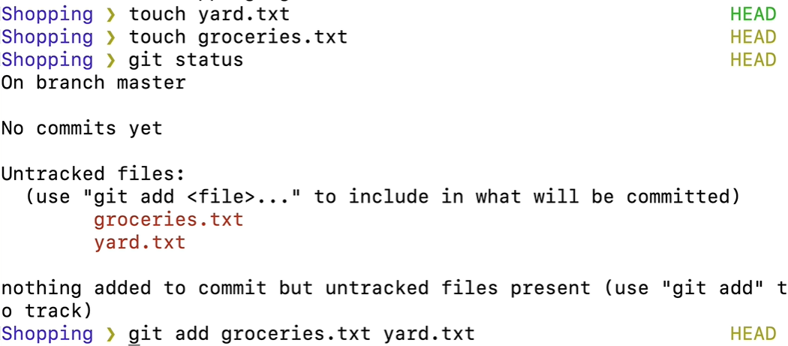
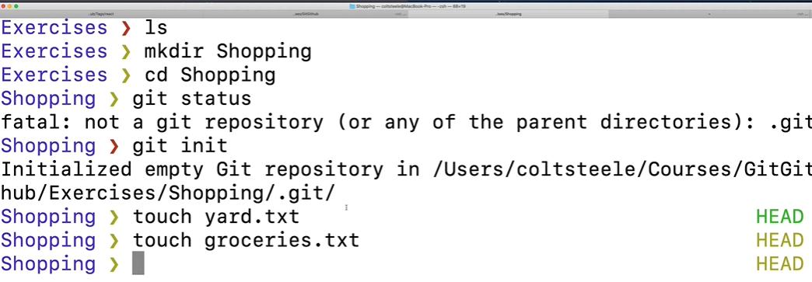

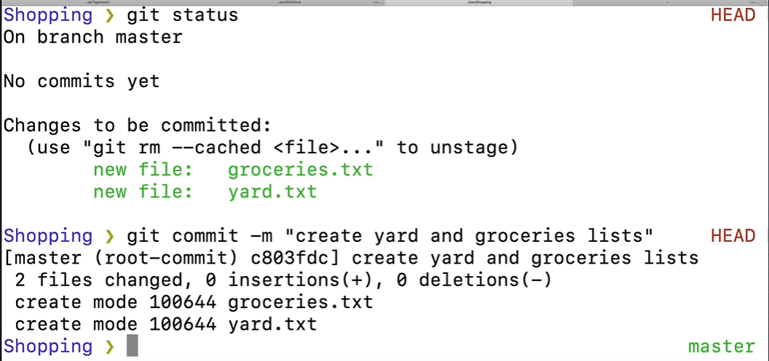

Optional screenshot below
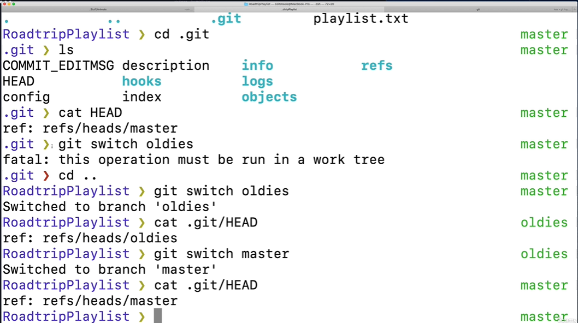

Exercise

Section 5,6
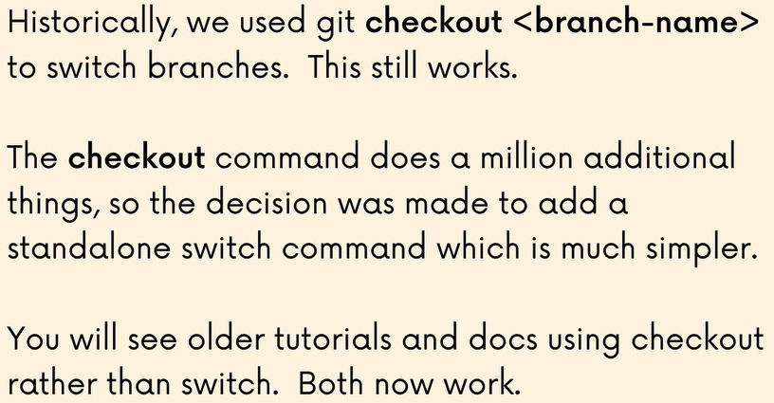
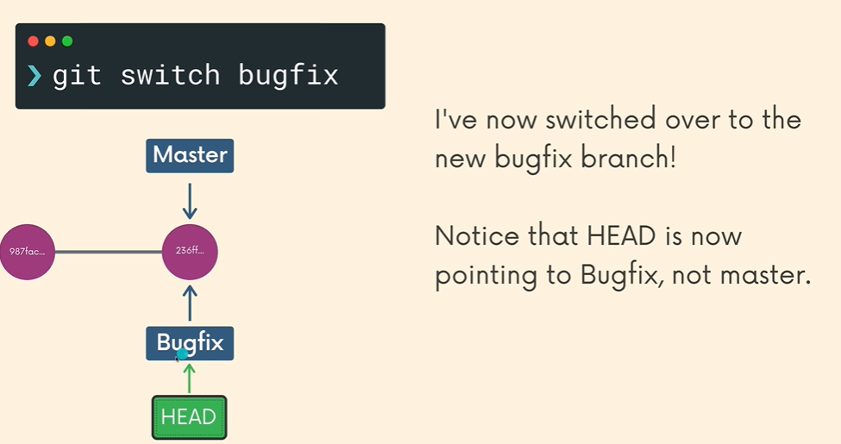
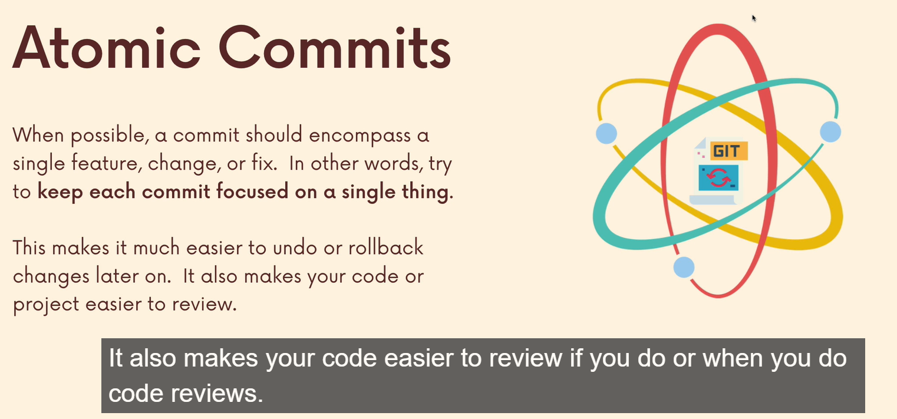
Commands | Use
git config --global core.editor "code --wait" | To configure Git's default editor as VS code
git log --oneline | it provides information of log of commits for a given repo in just one line (starting line)
git branch | To view existing branches
git branch -v | To view existing branches with more info like commit message with branch name
git branch <branch-name> | To create a new branch
git switch <branch-name> | To switch to the branch
git checkout <branch-name> | To switch to the branch
git switch -c <branch-name> | To create a new branch and switch to it
git checkout -b <branch-name> | To create a new branch and switch to it
git branch -d <branch-name> | To delete the branch
git branch --delete <branch-name> | To delete the branch
git branch -D <branch-name> | To allow deleting the branch irrespective of merge status
git branch --delete --force <branch-name> | To allow deleting the branch irrespective of merge status
Note: To delete a branch we had to go anywhere else but that branch We could not delete from the branch To rename we have to be on the branch
git branch -m <new-branch-name> | To move/rename the branch

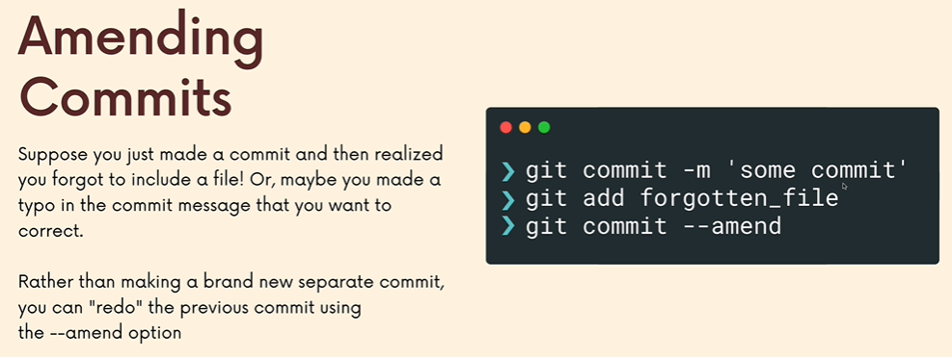

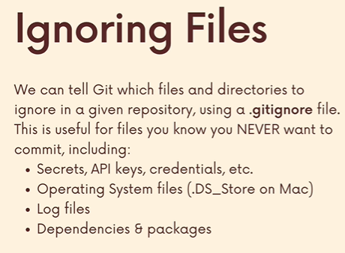
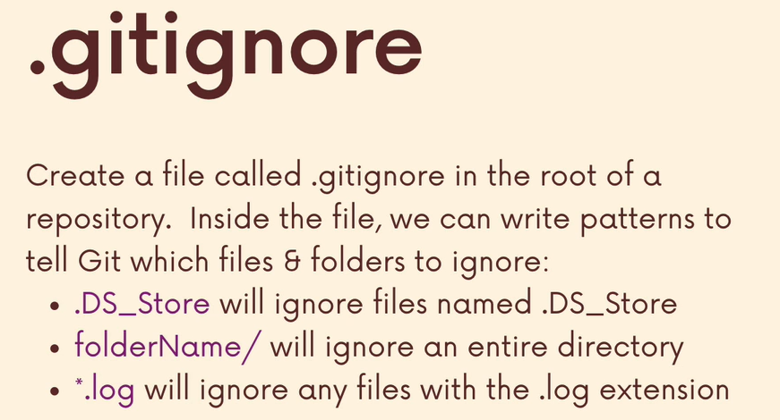

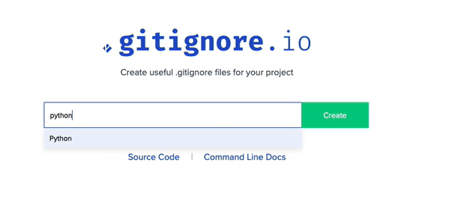

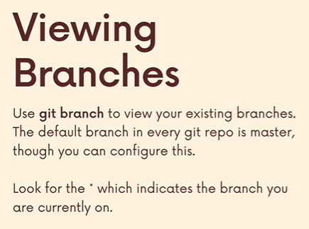
git branch | To view existing branches
To get out of that view we need to click q

Section 7
